Mapping Notes
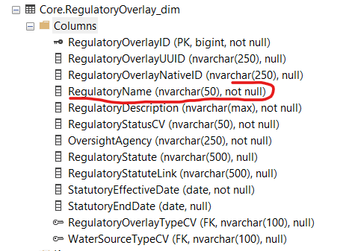
State: | New Mexico
Organizaitons:
Data Links: | https://ose.maps.arcgis.com/home/item.html?id=5617df05c3de4ac8b59594bd51cbab94
 | https://ose.maps.arcgis.com/home/item.html?id=22b6dcc154224d44a20e095542dc14ec
 | https://www.ose.state.nm.us/ISC/isc_compacts.php

Notes: | I need to upload a 1) date.csv, 2) organizations.csv, 3) reportingunits.csv, 4) regulatoryoverlays.csv, 5) regulatoryreportingunits.csv
 | Based on the input files I'm using, I supsect I built these files myself by hand.

Questions | try this https://gis.stackexchange.com/questions/346550/accelerating-geopandas-for-selecting-points-inside-polygon
 | Looks like this command will select points wihtin a polygon and left join them together (within_pointsdf = gpd.sjoin(gdfsPoint, gdf, op = 'within'))
 | I could probalby set a NM UUID value, then prfrom this 'within' join, then populate csv and populate reg bridge info for the sites.csv file.
 | may want to extend the nvarchar(50) limitation on RegulatoryName. A few records were removed for having a name > 50 nvarchar.

